YONEX GJ 2026 - Hotel Booking
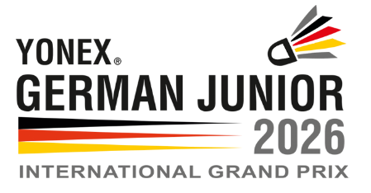
ACCOMMODATION FORM
YONEX German Junior 2026
4 to 8 March 2026

National Association
Contact person |  |  | Invoice adress
E-mail address
Mobile phone number
Fax number
Please fill in all the fields above
For your Choice you can use the dropdown menu. Click on the arrow next to the cell.
hotel choice 1 - tournament hotels see Invitation Site 7 | Price per Room (night and breakfast) | Sun 1 - Mon 2 March | Mon 2 - Tue 3 March | Tue 3 - Wed 4 March | Wed 4 - Thu 5 March | Thu 5 - Fri 6 March | Fri 6 - Sat 7 March | Sat 7 - Sun 8 March | Sun 8 - Mon 9 March

hotel choice 2 - tournament hotels see Invitation Site 7

hotel choice 3 - tournament hotels see Invitation Site 7

Number of standard single rooms | Depending on choice and availability. See Invitation Site 7
Number of standard double rooms
extra bed one-time only for odd-numbered players
Apartment
Prices are depending on your choice and availability. You will receive a booking confirmation from the hotel we selected. First association to answer will be served first!
The rates are quoted net hotel per room and night, inclusive of full breakfast buffet, additional city tax, applicable statutory VAT and service. Any increasing of the VAT will be adjusted to the rate.
Booking must be done before 02nd January 2026. After this date reservation will be possible on request but depending on availability.
The reserved rooms will be available from 4 pm on your day of arrival and must be vacated and handed over by 10 am on day of departure.
The organiser provide only a shuttle-bus system between tournament hotels and venue.

Please note we act only as a mediator. You conclude the contract directly with the hotel.
The hotel will bill the fees to your association. We will not pay cancellation fees. In Germany, it is forbidden to cook in all hotels as this presents a fire hazard!

Please return as soon as possible but not later than 02nd January 2026 to office@germanjunior.com
 |  |  |  |  | Date: ………….………………… |  | signed: ……………………………………………

